Advanced Analysis
12. Use Pivot Charts to analyze:

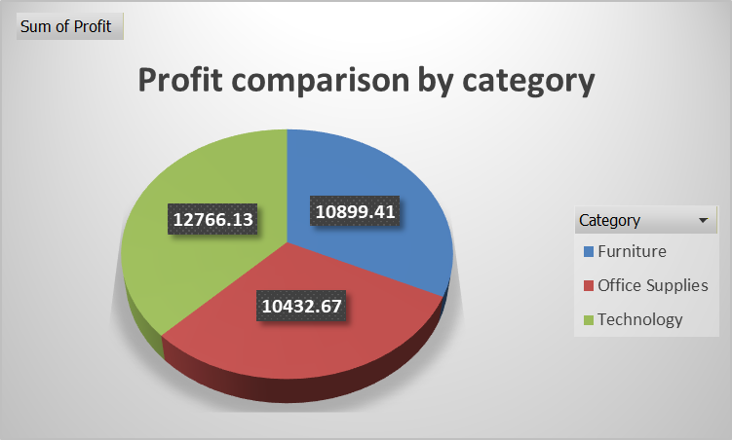
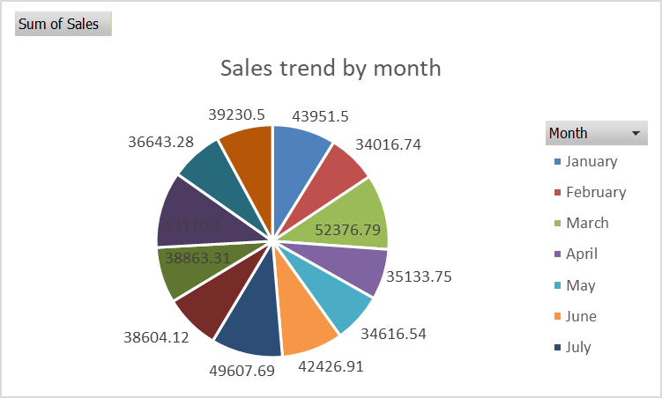

13. Calculate Month-over-Month (MoM) Growth % in Sales and Profit

Month | Sum of Sales | Sum of Profit | Sale Growth | Profit Growth
January | 43951.5 | 3679.03
February | 34016.74 | 2644.13 | -0.2260391568 | -0.2812969723
March | 52376.79 | 3872.15 | 0.53973573011 | 0.46443253547
April | 35133.75 | 2847.86 | -0.32921146943 | -0.26452745891
May | 34616.54 | 2197.09 | -0.014721172662 | -0.22851193528
June | 42426.91 | 2204.54 | 0.22562538024 | 0.0033908488046
July | 49607.69 | 2717.85 | 0.16925060062 | 0.23284222559
August | 38604.12 | 3836.75 | -0.22181177958 | 0.41168570745
September | 38863.31 | 3099.1 | 0.0067140502102 | -0.19225907343
October | 53110.2 | 1916.43 | 0.36658972177 | -0.38161724372
November | 36643.28 | 2186.55 | -0.31005192976 | 0.14094957812
December | 39230.5 | 2896.73 | 0.070605578977 | 0.32479476801

14. Identify Top 10% Product contributing to total sales (Pareto principle).

 |  |  |  | Product | Sales
 |  |  |  | Monitor Model-975 | 3206.52
 |  |  |  | Laptop Model-983 | 3034.31
 |  |  |  | Pen Model-106 | 2301.3
 |  |  |  | Table Model-123 | 1996
 |  |  |  | Binder Model-791 | 1995.65
 |  |  |  | Chair Model-955 | 1995.19
 |  |  |  | Pen Model-180 | 1991.69
 |  |  |  | Bookcase Model-958 | 1991.29
 |  |  |  | Phone Model-832 | 1990.61
 |  |  |  | Stapler Model-820 | 1981.38
 |  |  |  | Bookcase Model-286 | 1975.41
 |  |  |  | Table Model-829 | 1973.94
 |  |  |  | Pen Model-652 | 1969.98
 |  |  |  | Chair Model-407 | 1957.63
 |  |  |  | Binder Model-605 | 1951.6
 |  |  |  | Bookcase Model-574 | 1949.15
 |  |  |  | Paper Model-913 | 1948.72
 |  |  |  | Table Model-276 | 1946.61
 |  |  |  | Laptop Model-106 | 1943.58
 |  |  |  | Stapler Model-312 | 1942.59
 |  |  |  | Stapler Model-394 | 1940.92
 |  |  |  | Phone Model-788 | 1931.57
 |  |  |  | Bookcase Model-237 | 1928.88
 |  |  |  | Table Model-669 | 1922.9

Dashboard Tasks (Visualization)
Sales & Profit Analytics Dashboard

Month wise Sales & Quantity
 | Sum of Sales | Sum of Quantity
January | 43951.50 | 225
February | 34016.74 | 150
March | 52376.79 | 308
April | 35133.75 | 173
May | 34616.54 | 201
June | 42426.91 | 234
July | 49607.69 | 267
August | 38604.12 | 234
September | 38863.31 | 183
October | 53110.20 | 305
November | 36643.28 | 176
December | 39230.50 | 229
Region wise Sale
 | Total
East | 123362.66
North | 123265.84
South | 132689.12
West | 119263.71

Total Sale
498581.33

Avg Profit

68.36416

Total Region

500
Sub-Category vs Quantity
 | Total
Binder | 210
Bookcase | 212
Chair | 240
Laptop | 262
Monitor | 170
Paper | 204
Pen | 245
Phone | 249
Printer | 245
Sofa | 211
Stapler | 207
Table | 228
(blank) | 2
Top 10 Product
 | Sum of Quantity | Sum of Sales
Monitor Model-975 | 16 | 3206.52
Laptop Model-983 | 10 | 3034.31
Pen Model-106 | 12 | 2301.30
Table Model-123 | 10 | 1996.00
Binder Model-791 | 3 | 1995.65
Chair Model-955 | 7 | 1995.19
Pen Model-180 | 3 | 1991.69
Bookcase Model-958 | 2 | 1991.29
Phone Model-832 | 5 | 1990.61
Stapler Model-820 | 8 | 1981.38

Total Profit

34182.08

backend
Month wise Sales & Quantity
Row Labels | Sum of Sales | Sum of Quantity
January | 43951.50 | 225
February | 34016.74 | 150
March | 52376.79 | 308
April | 35133.75 | 173
May | 34616.54 | 201
June | 42426.91 | 234
July | 49607.69 | 267
August | 38604.12 | 234
September | 38863.31 | 183
October | 53110.20 | 305
November | 36643.28 | 176
December | 39230.50 | 229
Grand Total | 498581.33 | 2685

Region wise Sale

 | Row Labels | Sum of Sales
 | East | 123362.66
 | North | 123265.84
 | South | 132689.12
 | West | 119263.71
 | Grand Total | 498581.33

 | Sum of Sales | Average of Profit2 | Count of Region | Sum of Profit
 | 498581.33 | 68.36 | 500 | 34182.08
 | 498581.33 | 68.36416 | 500 | 34182.08

 |  | Column Labels
 |  | Furniture |  | Office Supplies |  | Technology |  | Total Sum of Sales | Total Sum of Cost
 |  | Sum of Sales | Sum of Cost | Sum of Sales | Sum of Cost | Sum of Sales | Sum of Cost
 |  | 164547.98 | 153648.57 | 167120.33 | 156603.79 | 166913.02 | 154146.89 | 498581.33 | 464399.25

Top 10 Product
Row Labels | Sum of Quantity | Sum of Sales
Monitor Model-975 | 16 | 3206.52
Laptop Model-983 | 10 | 3034.31
Pen Model-106 | 12 | 2301.30
Table Model-123 | 10 | 1996.00
Binder Model-791 | 3 | 1995.65
Chair Model-955 | 7 | 1995.19
Pen Model-180 | 3 | 1991.69
Bookcase Model-958 | 2 | 1991.29
Phone Model-832 | 5 | 1990.61
Stapler Model-820 | 8 | 1981.38
Grand Total | 76 | 22483.94

 |  | Sum of Profit | Column Labels
 |  | Row Labels | Binder | Bookcase | Chair | Laptop | Monitor | Paper | Pen | Phone | Printer | Sofa | Stapler | Table | (blank) | Grand Total |  | Binder | Bookcase | Chair | Laptop | Monitor | Paper | Pen | Phone | Printer | Sofa | Stapler | Table
 |  | East | 565.78 | 1497.28 | -37.48 | 1221.82 | 695.60 | 646.54 | 1310.07 | 753.99 | 1050.84 | -256.36 | 782.86 | 1033.02 |  | 9263.96 | East | 565.78 | 1497.28 | -37.48 | 1221.82 | 695.6 | 646.54 | 1310.07 | 753.99 | 1050.84 | -256.36 | 782.86 | 1033.02
 |  | North | 331.69 | 1548.86 | 513.13 | 166.73 | 504.96 | 859.82 | 955.08 | 848.99 | 403.31 | 959.32 | 287.54 | 579.69 | -33.06 | 7926.06 | North | 331.69 | 1548.86 | 513.13 | 166.73 | 504.96 | 859.82 | 955.08 | 848.99 | 403.31 | 959.32 | 287.54 | 579.69
 |  | South | 933.84 | 419.77 | 301.50 | 1355.60 | 133.96 | 134.51 | 201.96 | 351.37 | 1096.13 | 367.69 | 1079.18 | 962.58 |  | 7338.09 | South | 933.84 | 419.77 | 301.5 | 1355.6 | 133.96 | 134.51 | 201.96 | 351.37 | 1096.13 | 367.69 | 1079.18 | 962.58
 |  | West | 608.85 | 1107.53 | 736.81 | 1413.56 | 596.99 | 258.93 | 460.17 | 1441.36 | 730.92 | 639.57 | 1132.78 | 526.50 |  | 9653.97 | West | 608.85 | 1107.53 | 736.81 | 1413.56 | 596.99 | 258.93 | 460.17 | 1441.36 | 730.92 | 639.57 | 1132.78 | 526.5
 |  | Grand Total | 2440.16 | 4573.44 | 1513.96 | 4157.71 | 1931.51 | 1899.80 | 2927.28 | 3395.71 | 3281.20 | 1710.22 | 3282.36 | 3101.79 | -33.06 | 34182.08

 |  |  |  |  |  |  | Row Labels | Sum of Quantity
 |  |  |  |  |  |  | Binder | 210
 |  |  |  |  |  |  | Bookcase | 212
 |  |  |  |  |  |  | Chair | 240
 |  |  |  |  |  |  | Laptop | 262
 |  |  |  |  |  |  | Monitor | 170
 |  |  |  |  |  |  | Paper | 204
 |  |  |  |  |  |  | Pen | 245
 |  |  |  |  |  |  | Phone | 249
 |  |  |  |  |  |  | Printer | 245
 |  |  |  |  |  |  | Sofa | 211
 |  |  |  |  |  |  | Stapler | 207
 |  |  |  |  |  |  | Table | 228
 |  |  |  |  |  |  | (blank) | 2
 |  |  |  |  |  |  | Grand Total | 2685

